Féile
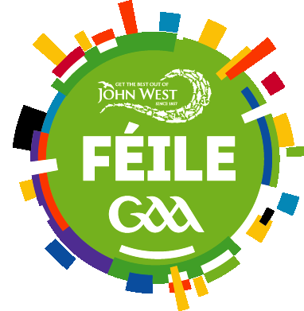
Roll of Honours 1983 - Current

All-Ireland Feile na Gael Boy's & Girl's Wallball, including Skills Winners

Wallball | Boy's |  |  |  |  | Girl's
 | Division 1 | Division 2 | Division 3 | Boy's Division 1 Skills | Club | Division 1 | Divsion 2 | Division 3 | Girls Division 1 Skills | Club
2026
2025 | Clann Éireann | Breacach | Naomh Éanna | Owen Kelly | Loughmacrory | St. Brigids (Dub) | Kilglass | Clough Ballacolla | Aoife Tobin | St. Brigids (Dub)
2024 | Clann Éireann | St. Brigids (Dub) | Mullingar | Charlie Roche | Castlebridge | St. Brigids (Dub) | Moycullen | Mullingar | Ciara O'Reilly | St. Brigids (Dub)
2023 | Naomh Éanna | Clough Ballacolla | Abbeylara | Shea Bell | Naomh Éanna | Clough Ballacolla | Abbeylara | No Competition | Elizabeth Pearson | Clough Ballacolla
2022 | Clough Ballacolla | No Competition | No Competition |  |  | Clough Ballacolla | No Competition
2021 | No Competition | No Competition |  | No Competition | No Competition | No Competition |  |  | No Competition | No Competition
2020 | No Competition | No Competition |  | No Competition | No Competition | No Competition |  |  | No Competition | No Competition
2019 | Clough Ballacolla | Kilmallock |  | Paddy O'Reilly | Kilmallock | Oughterard |  |  | Orlaith Geoghan | Oughterard
2018 | Clough Ballacolla | No Competition |  | Joseph Gallagher | Mountbellew/Moylough | Mountbellew/Moylough |  |  | Emma Ryan | Mountbellew/Moylough
2017 | Mayobridge |  |  | Darragh White | Mayobridge | Laochra Láimhe (Lim) |  |  | Michaela Hynes | Laochra Láimhe (Lim)
2016 | No Competition |  |  | No Competition | No Competition | No Competition |  |  | No Competition | No Competition

